Cerinte
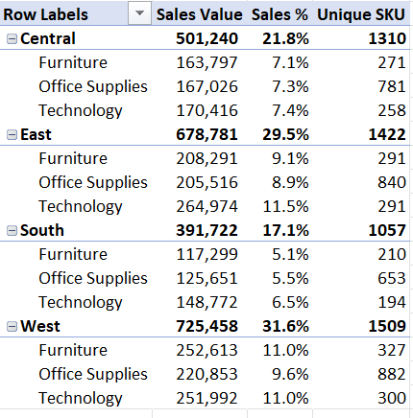
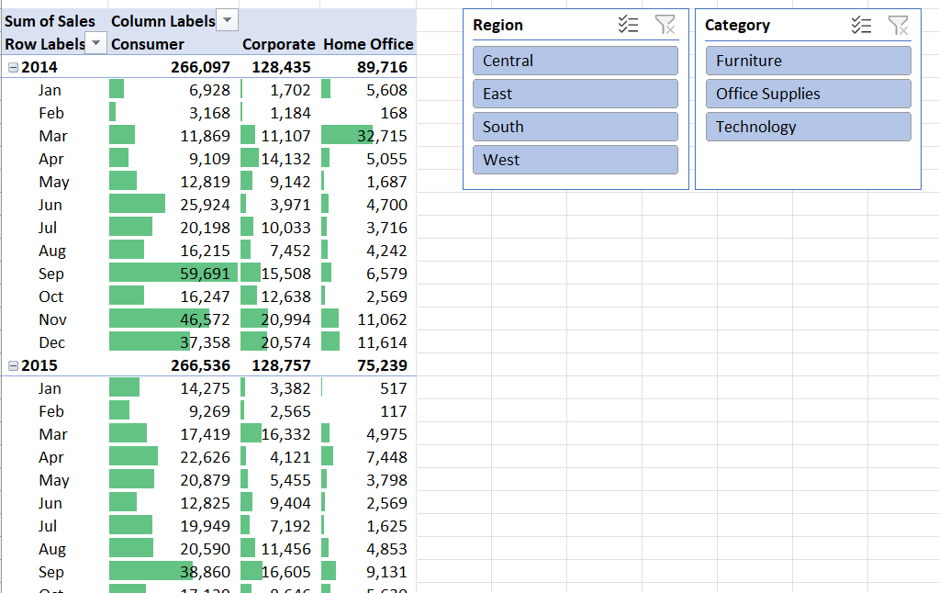
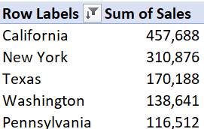
 | 1. Treceti setul de date din format Range in format Table (folositi shortcut keys sau de la tabul Insert)

 | 2. Redenumiti tabelul nou creat din Table1 in Orders (Table Design)

 | 3. Inserati datele intr-un pivot table, intr-un sheet nou, si bifati Add this data to the Data Model

 | 4. Aduceti doua coloane cu Sales, una pentru valori absolute, alta pentru valori procentual (calcul % din Grand total). Se vor grupa dupa Region si Category

 | 5. Redenumiti coloanele de sales in Sales Value si Sales %

 | 6. Adaugati Subtotal la nivelul fiecarei Regiuni, cu valoarea afisata "at Top", adica in dreptul regiunii

 | 7. Eliminati Ground Totals

 | 8. Formatati Sales Value ca number fara zecimale cu delimitator pentru mii, iar Sales % ca Percentage cu 1 zecimala

`=task 3 prost | 9. Aduceti coloana Product ID in pivot, la Values si schimbati agregarea de la Value Field Settings in Distinct Count

 | 10. Redenumiti coloana nou creata in Unique SKU. SKU vine de la Stock Keeping Unit, folosit in retail in zona de stocuri si vanzari

 | 11. Mutati-va in sheet-ul dataset si initiati insertul unui nou pivot intr-un sheet nou

 | 12. Calculati Sales Value la nivel de Year si Month.

 | 13. Duceti pe coloane split dupa Segment

 | 14. Eliminati Grand Totals si includeti Subtotals on Top

 | 15. Selectati toate valorile, mai putin cele de Subtotals de la nivelul Anului. Mergeti la Conditional Formatting > Data Bars > Solid fill > selectati verde. Observati cat de usor se observa valorile mari

 | 16. Aduceti cate un Slicer pentru Region si Category

 | 17. Mutati-va in sheet-ul dataset si initiati insertul unui nou pivot intr-un sheet nou

 | 18. Identificati primele 5 state (coloana State) cu cel mai mare Sales

 | 19. Mutati-va in sheet-ul dataset si initiati insertul unui nou pivot intr-un sheet nou

 | 20. Identificati top 3 cantitati (Quantity) pentru care s-au plasat cele mai multe comenzi pe Segmentul Consumer?

 |  | Rezultat pentru punctele 1-10 | Rezultat pentru punctele 11-16 | Rezultat punctele 17-18 | Pentru punctele 19-20 ramane sa descoperiti singuri

